1. Title Page
Instacart Grocery Basket Analysis

Project Name: Instacart Grocery Basket Analysis
Date: 14/4/2023
Analyst Name: Lee Sai Chee

Contents:
Population Flow
Consistency checks
Wrangling steps
Column derivations
Visualizations
Recommendations

Data citation:
“The Instacart Online Grocery Shopping Dataset 2017”, Accessed from www.instacart.com/datasets/grocery-shopping-2017 via Kaggle on 14/4/2023.
The customer data and the “prices” column in the products data set were both fabricated for the purpose of Career Foundry Data Analytics course.

2. Population Flow
Title page

Population flow

Orders_products_combined
Orders_products_merged
Orders_products_all

Total: 32,434,489
Total: 32,399,732
Total: 32,399,732

1.) The grey boxes in the first row of the population flow represent the original data sets as they were downloaded. The Total fields are the total count of rows when the data set is imported into Jupyter.
2.) The second row of boxes (coloured) represents the data sets after consistency checks, e.g., removed missing values and duplicates. The Total fields are the total count of rows after conducting these operations. This offers a visual oveview of how the data flows throughout the data consistency checks.
3.) The third row, where also the arrows are coloured, represents the merges you performed between the datasets. The Total fields are the total count of rows in the merged datasets. The dataset in the red box is the final dataset.

3. Consistency checks
 |  |  |  |  | Title page
Consistency checks

Dataset | Mixed-type data | Inaccurate data | Missing values | Missing values treatment | Duplicates
orders | No mixed-type data | No unusual data | 206,209 missing values in 'days_since_prior_order' column | No action taken. All missing values have an order number of 1. There can't be any days before the first order. | No duplicates
products | No mixed-type data | 2 unusual high values in 'prices' column are removed. | 16 missing values in 'product_name' column | Rows with these missing values are removed. | 5 duplicate rows are found and removed.
orders_products_prior | No mixed-type data | No unusual data | No missing values | - | No duplicates
customers | No mixed-type data | No unusual data | No missing values | - | No duplicates

4. Wrangling steps
 |  |  |  | Title page
Wrangling steps

Dataset | Columns dropped | Columns renamed | Columns' type changed | Comment/Reason
orders | 'eval_set' |  |  | Not needed for analysis
orders |  | 'order_dow' --> 'order_day_of_week' |  | For clarity purpose
orders |  |  | 'order_id': int --> str | Should not be included in descriptive statistics
orders |  |  | 'user_id': int --> str | Should not be included in descriptive statistics
customers | 'First Name' |  |  | To avoid privacy concern and maintain data confidentiality
customers | 'Surnam' |  |  | To avoid privacy concern and maintain data confidentiality
customers |  | 'Gender' --> 'gender' |  | To follow naming consistency
customers |  | 'STATE' --> 'state' |  | To follow naming consistency
customers |  | 'Age' --> 'age' |  | To follow naming consistency
customers |  | 'n_dependants' --> 'dependant_counts' |  | To follow naming consistency
customers |  | 'fam_status' --> 'family_status' |  | To follow naming consistency

5. Column derivations
 |  |  |  | Title page

Column derivations and aggregations

Dataset | New column | Column/s it was derived from | Conditions | Frequency of flags/label variables
orders_products_merged | 'price_range' | 'prices' | if 'prices' <= 5, Low-range product if 'prices' > 5 and <= 15, Mid-range product if 'prices' > 15, High-range product | Low-range product: 10,126,321 Mid-range product: 21,860,860 High-range product: 412,551
orders_products_merged | 'busiest_day' | 'order_day_of_week' | if 'order_day_of_week' = 0, Most busy if 'order_day_of_week' = 4, Least busy else, Regular busy | Most busy: 6,203,329 Least busy: 3,783,172 Regular busy: 22,413,231
orders_products_merged | 'busiest_days' | 'order_day_of_week' | if 'order_day_of_week' = 0 or 1, Most busy if 'order_day_of_week' = 3 or 4, Least busy else, Regular busy | Most busy: 11,862,627 Least busy: 7,623,037 Regular busy: 12,914,068
orders_products_merged | 'busiest_period_of_day' | 'order_hour_of_day' | if 'order_hour_of_day' = 9, 10, 11, 12, 13, 14, 15, 16, or 17, Most orders if 'order_hour_of_day' = 0, 1, 2, 3, 4, 5, 6, or 23, Fewest orders if 'order_hour_of_day' = 7, 8, 18, 19, 20, 21, or 22, Average orders | Most orders: 23,202,006 Fewest orders: 1,288,951 Average orders: 7,908,775
orders_products_merged | 'max_order' | 'order_number' | maximum order number of each user ID | -
orders_products_merged | 'loyalty_flag' | 'max_order' | if 'max_order' > 40, Loyal customer if 'max_order > 10 and <= 40, Regular customer if 'max_order' <= 10, New customer | Loyal customer: 10,282,763 Regular customer: 15,874,128 New customer: 6,242,841
orders_products_merged | 'avg_price' | 'prices' | average price of product purchased of each user ID | -
orders_products_merged | 'spender_flag' | 'avg_price' | if 'avg_price' < 10, Low spender if 'avg_price' >= 10, High spender | Low spender: 32,280,013 High spender: 119,719
orders_products_merged | 'median_order_interval' | 'days_since_prior_order' | median of 'days_since_prior_order' of each user ID | -
orders_products_merged | 'order_frequency_flag' | 'median_order_interval' | if 'median_order_interval' > 20, Non-frequent customer if 'median_order_interval' > 10 and <= 20, Regular customer if 'median_order_interval' <= 10, Frequent customer | Non-frequent customer: 3,635,743 Regular customer: 7,207,340 Frequent customer: 21,556,644
orders_products_all | 'region' | 'state' | according to list of regions of the United States | Midwest: 7,596,065 Northeast: 5,721,892 South: 10,790,096 West: 8,291,679
orders_products_all | 'customer_profile' | 'age', 'dependant_counts', 'family_status', 'department_id' | if 'age' < 65, and 'dependant_counts' = 0, and 'family_status' = single or divorced/widowed, Single adult if 'age' < 65, and 'dependant_counts' <= 2, and 'family_status' = married, Small family if 'age' < 65, and 'dependant_counts' = 3, and 'family_status' = married, Big family if 'age' < 65, and 'family_status' = living with parents and siblings, Big family if 'age' < 65, and 'dependant_counts' > 0, and 'department_id' = 18, Young parent if 'age' >= 65, Senior citizen | Single adult: 5,976,558 Small family: 7,497,037 Big family: 4,838,435 Young parent: 5,513,951 Senior citizen: 8,573,751
orders_products_all | 'income_flag' | 'income' | if 'income' <= 60,000, Low income if 'income' > 60,000 and <= 120,000, Medium income if 'income' > 120,000, High income | Low income: 6,160,689 Medium income: 16,672,391 High income: 9,566,652

6. Visualizations
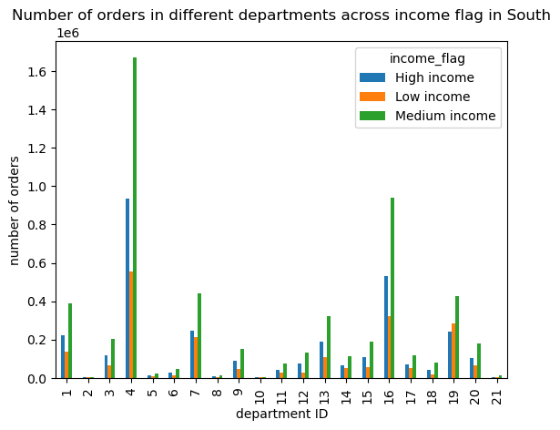
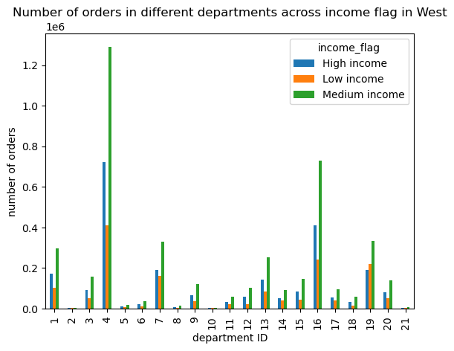
 | Title page

Visualisations

Question 1: What are the busiest days of the week and hours of the day?
1


2
Chart 1: The busiest days of the week are Saturday and Sunday.
- Saturday and Sunday have the highest number of orders.
- The least busy days are Tuesday and Wednesday.
Chart 2: 0900 to 1700 are the busiest period of a day.
- The number of orders in this period are more than 2 million per hour.
- 2300 to 0600 is the least busy period as the number of orders are less than 0.5 million per hour.

Remark:
Day 0 = Saturday
Day 1 = Sunday
Day 2 = Monday
Day 3 = Tuesday
Day 4 = Wednesday
Day 5 = Thursday
Day 6 = Friday

Question 2: Any particular times of the day when people spend the most money?
1
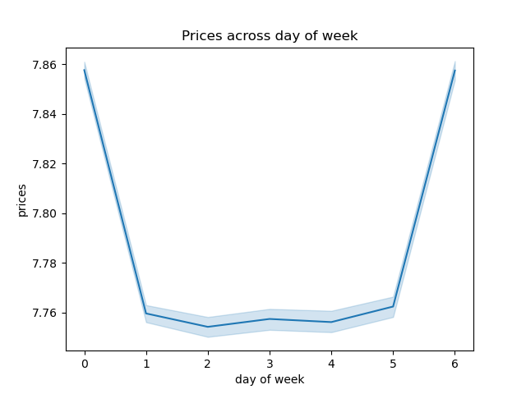
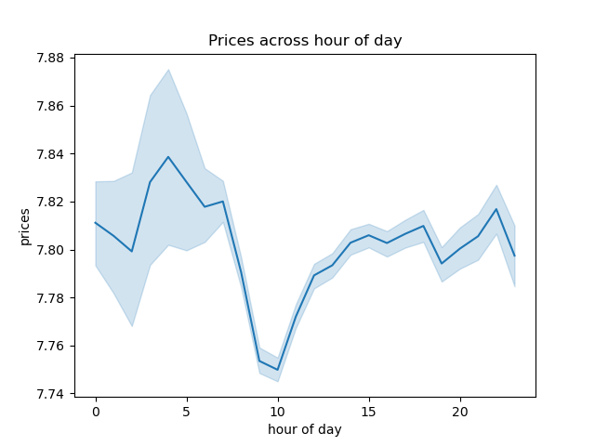
2
Chart 1: Friday and Saturday are the days when customers purchase slightly more expensive products.
- However, the maximum difference in product prices is only about 10 cents on average, which is not significantly large.
Chart 2: 0400 is the time when customers purchase slightly more expensive products.
- 1000 is the time when people purchase slightly cheaper products.
- However, the maximum difference in product prices is only about 10 cents on average, which is not significantly large.

Remark:
Day 0 = Saturday
Day 1 = Sunday
Day 2 = Monday
Day 3 = Tuesday
Day 4 = Wednesday
Day 5 = Thursday
Day 6 = Friday

3
4
5
6
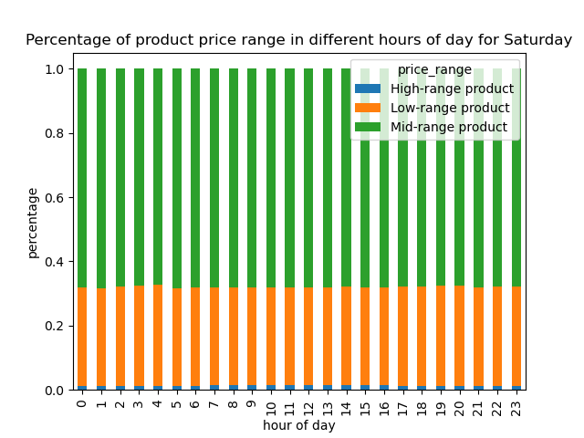
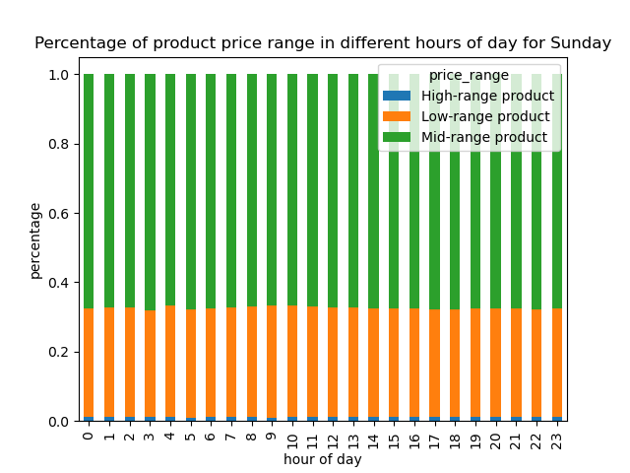



7
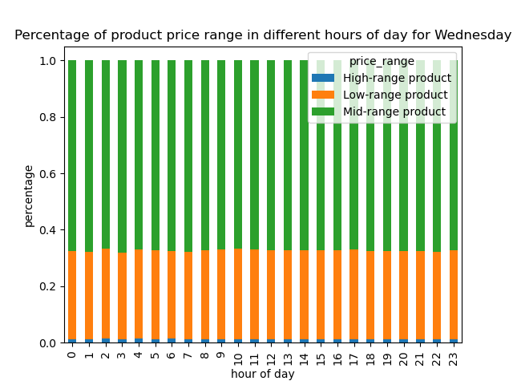
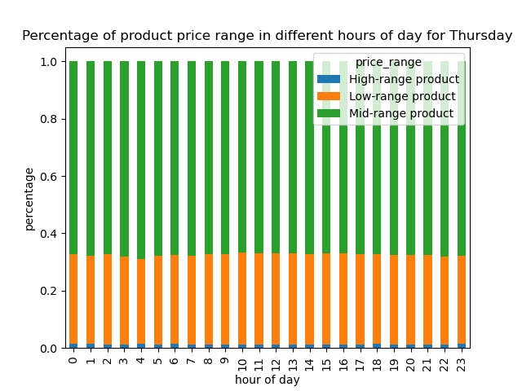
8

9
Chart 3, 4, 5, 6, 7, 8, 9: There is no specific time when customers are going to purchase more high-/mid-/low-range products.
- The proportions of high-, mid-, and low-range products at every hour of day are about the same in everyday.

Question 3: Simpler price range groupings
Refer to sheet 5 (column derivations) for the condition of price range groupings
1
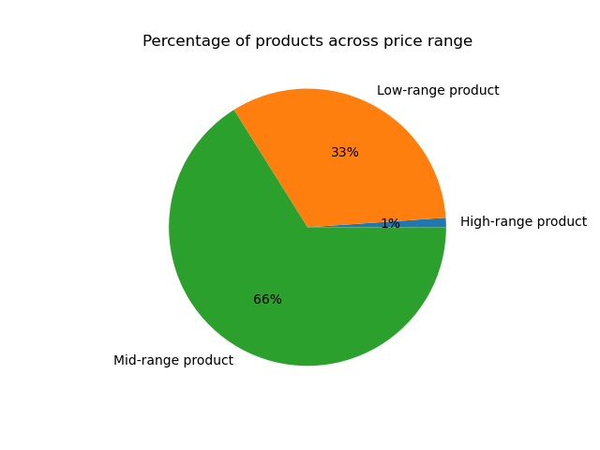
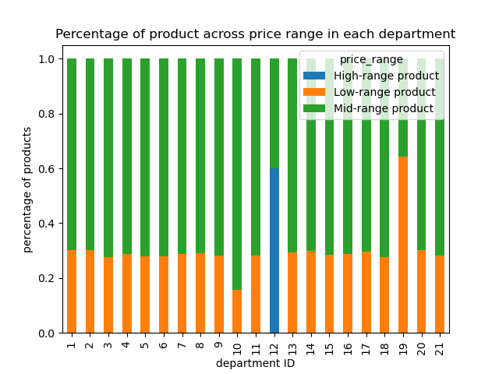
2
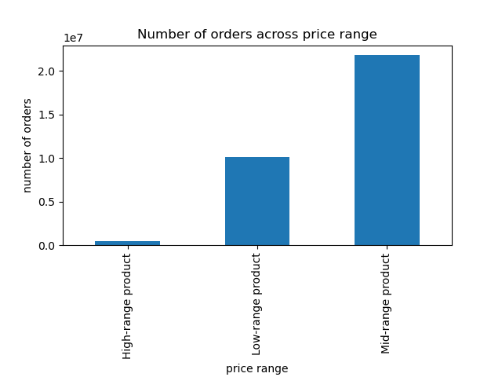
3

Remark on department ID:
11 = personal care
12 = meat seafood
13 = pantry
14 = breakfast
15 = canned goods
16 = dairy eggs
17 = household
18 = babies
19 = snacks
20 = deli
21 = missing
1 = frozen
2 = other
3 = bakery
4 = produce
5 = alcohol
6 = international
7 = beverages
8 = pets
9 = dry goods pasta
10 = bulk

Chart 1: Majority of the products are mid-range products.
- 66% of the products are mid-range products. 33% are low-range products, and only 1% are high-range products.
Chart 2: All departments have about 70% of their products classified as mid-range products, and 30% as low-range products, except:
- Meat & seafood department has about 60% of their products classified as high-range products, and 40% as mid-range products.
- Snacks department has about 65% of their products classified as low-range prooducts, and 35% as mid-range products.
- Bulk department has about 80% of their products classified as mid-range products, and 20% as low-range products.
Chart 3: Most orders are made on mid-range products.
- Least orders are made on high-range products.
- This makes sense given the proportion of products based on the price range.

4
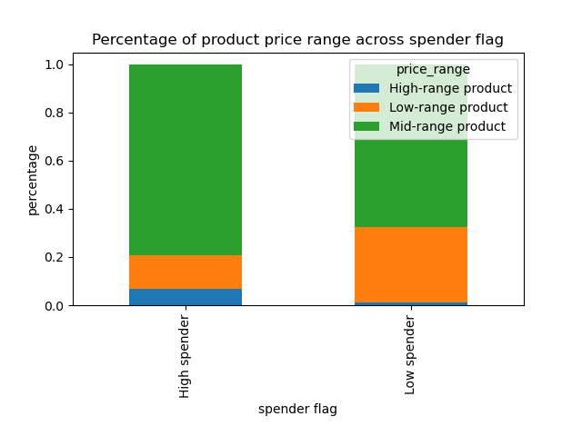
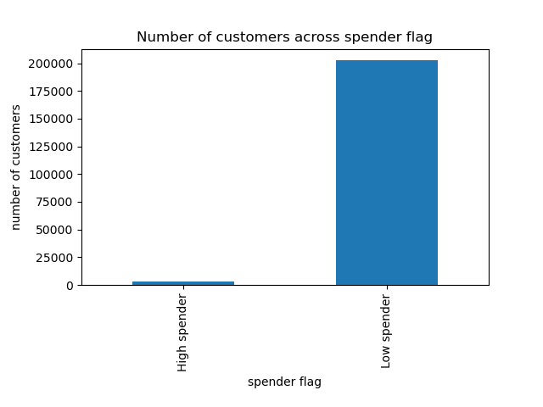
5
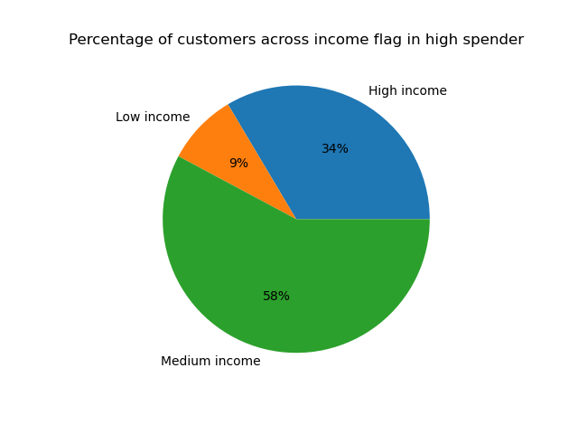
6

Chart 4: High spenders are more willing to purchase high-range products than low spenders
- The percentage of high-range products in high spenders is higher than low spenders.
Chart 5: However, the number of high spenders is very low.
Chart 6: Most of the high spenders come from medium income and high income groups.

Question 4: Which departments have the highest frequency of product orders?
1
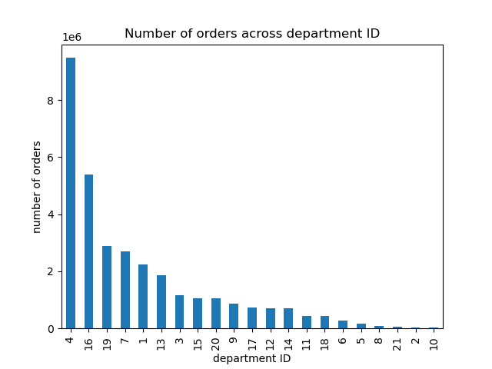
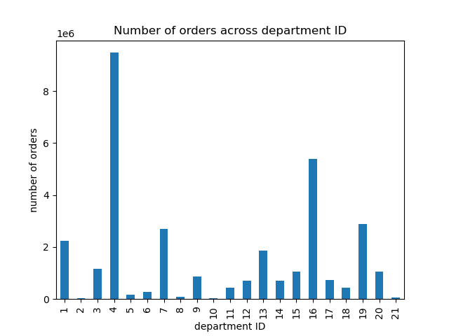
2
Chart 1: Produce department has the highest number of orders.
- This is followed by dairy & eggs department.
- On the other end, bulk, pets, and alcohol departments have the lowest number or orders.
Chart 2: This chart is the same as chart 1, with bars sorted according to department ID.
- This makes it easier for comparison with the charts below.

Remark on department ID:
11 = personal care
12 = meat seafood
13 = pantry
14 = breakfast
15 = canned goods
16 = dairy eggs
17 = household
18 = babies
19 = snacks
20 = deli
21 = missing
1 = frozen
2 = other
3 = bakery
4 = produce
5 = alcohol
6 = international
7 = beverages
8 = pets
9 = dry goods pasta
10 = bulk

Question 5: How the ordering behaviors vary for different types of customers?
Question 5.1: What’s the distribution among users in regards to their brand loyalty?
1
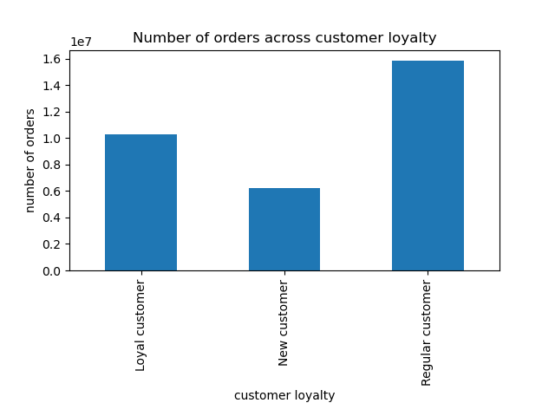
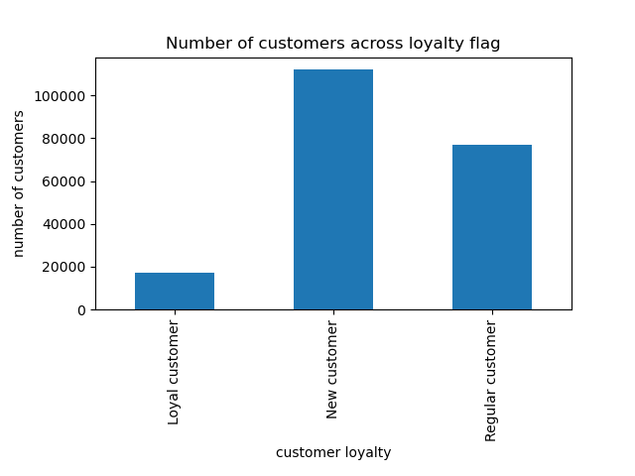
2
3
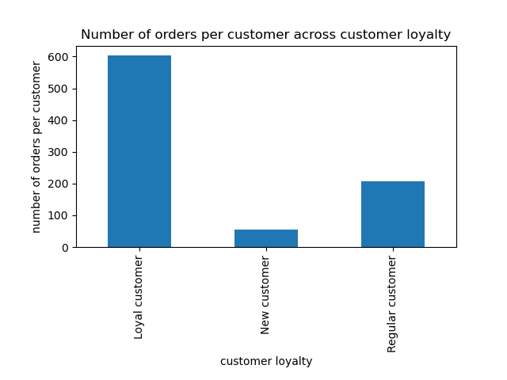
Chart 1: Regular customers contributes the most number of orders.
- This is followed by loyal customers and new customers.
Chart 2: Most of the customers in the database are new customers.
- The number of loyal customers are the fewest.
Chart 3: Loyal customers bring the greatest value.
- A loyal customer orders 3 times more than a regular customer, and 12 times higher a new customer on average.

2
3
Question 5.2: Are there differences in ordering habits based on a customer’s loyalty status?
1
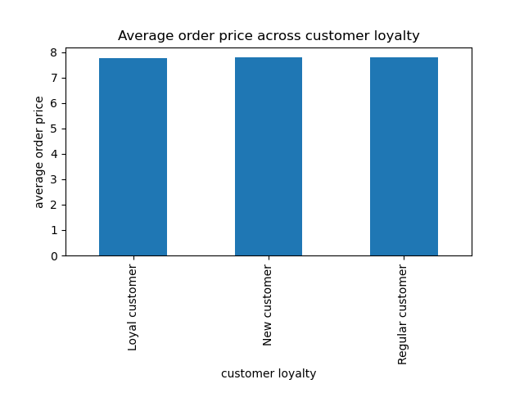
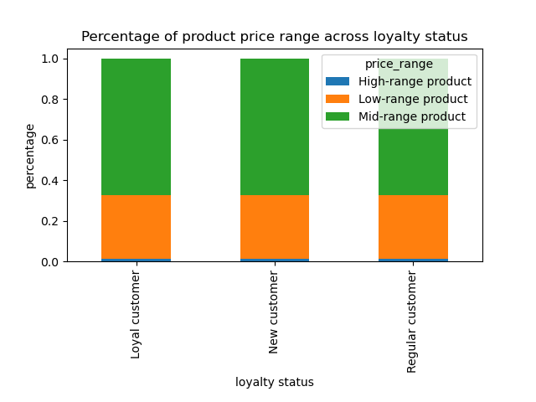
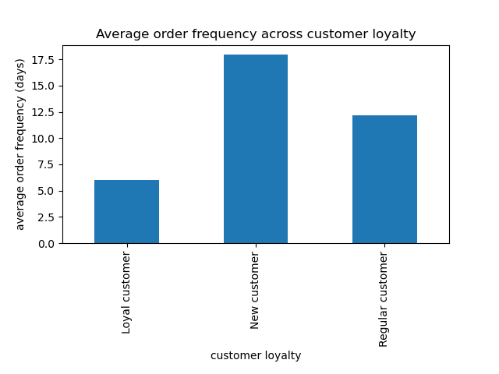
Chart 1: Loyalty status does not affect the amount of money spent on a product on average.
- There is no difference in the average price of product purchased across customers' loyalty.
Chart 2: Loyalty status does not affect the sales proportion of different product ranges.
- There is no difference in the sales proportions of different product ranges across customer's loyalty.
Chart 3: Loyal customers tend to order much more frequently.
- Loyal customers will order in every 6 days on average, followed by 12 days for regular customers, and 18 days for new customers.

4
5
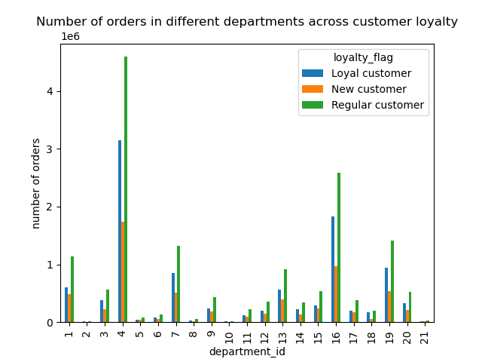
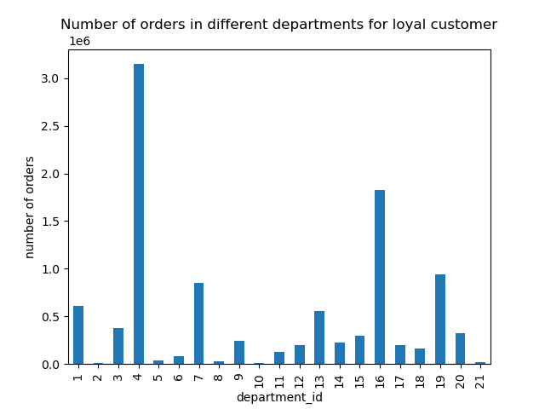

Chart 4, 5, 6, 7: Loyalty status does not affect the ordering trend of each department.
- The ordering trend of each department is the same for different loyalty status.
- They are also the same as the ordering trend shown in question 4 chart 2.

6
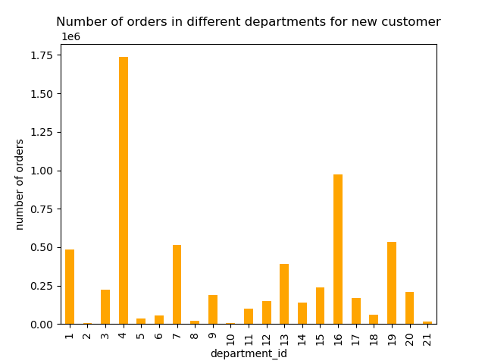
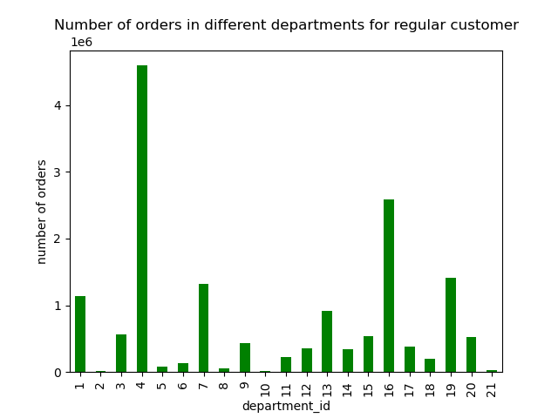
7

Remark on department ID:
11 = personal care
12 = meat seafood
13 = pantry
14 = breakfast
15 = canned goods
16 = dairy eggs
17 = household
18 = babies
19 = snacks
20 = deli
21 = missing
1 = frozen
2 = other
3 = bakery
4 = produce
5 = alcohol
6 = international
7 = beverages
8 = pets
9 = dry goods pasta
10 = bulk

Question 5.3: Are there differences in ordering habits based on a customer’s region?
1
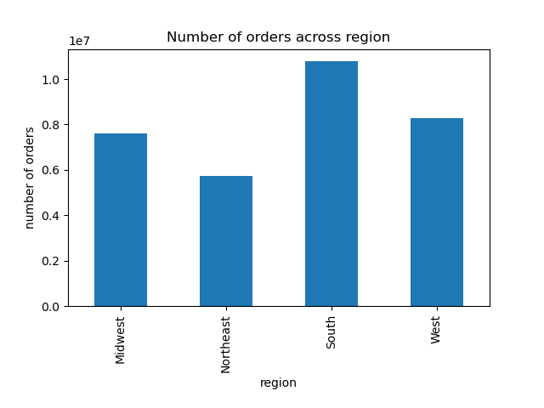
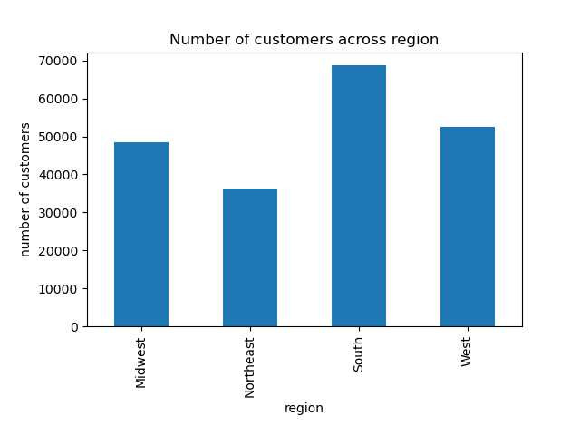
2
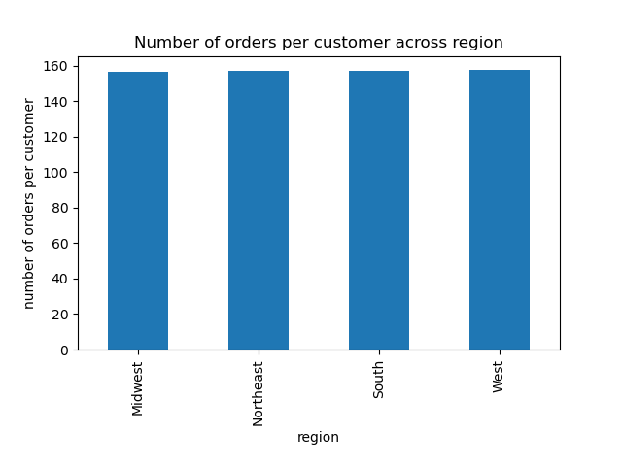
3
Chart 1: The South region contributes the most number of orders.
Chart 2: The South region also has the highest number of customers.
Chart 3: All regions bring the same value.
- The number of orders per customer in all regions are the same.
- The more the customers, the more the orders.

5
6
4
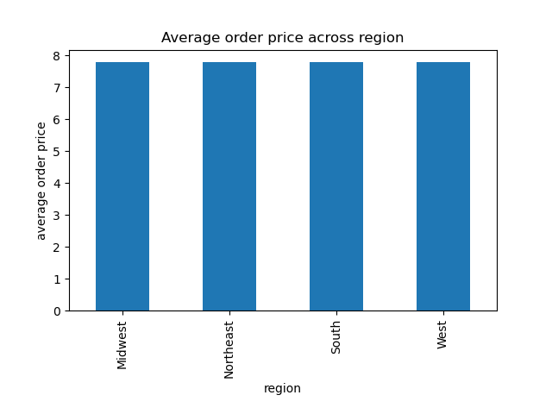
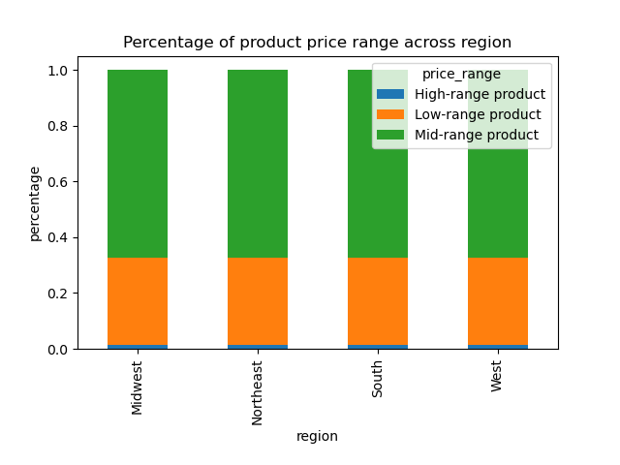
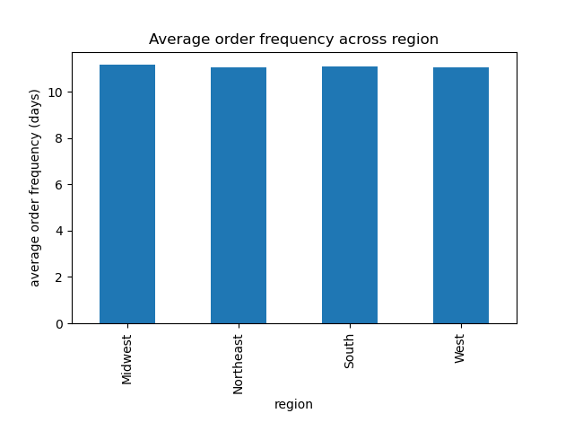
Chart 4: Regions do not affect the amount of money spent on a product on average.
- There is no difference in the average price of product purchased across regions.
Chart 5: Regions do not affect the sales proportion of different product ranges.
- There is no difference in the sales proportions of different product ranges across regions.
Chart 6: Regions do not affect the the order frequency on average.
- Customers from all regions have the same order frequency on average.

7
8
9
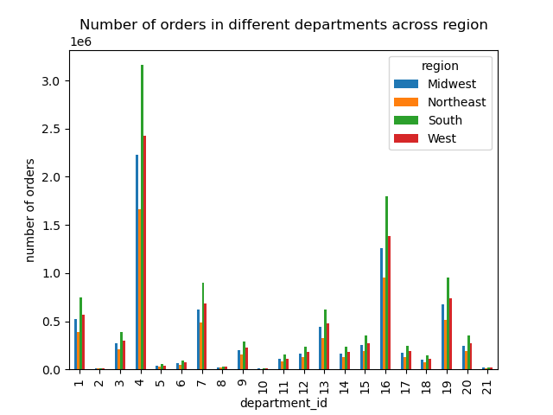
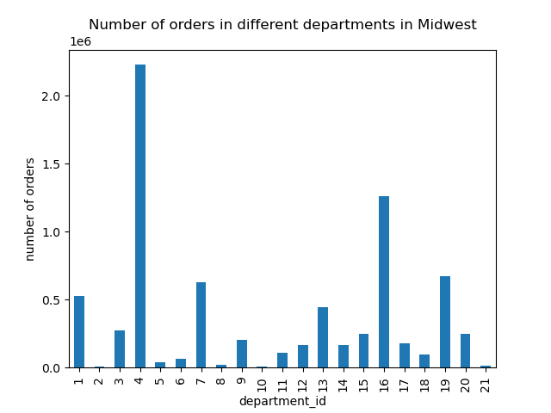


10
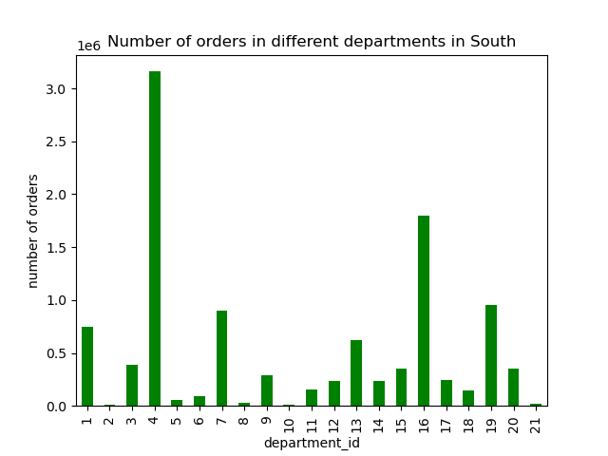
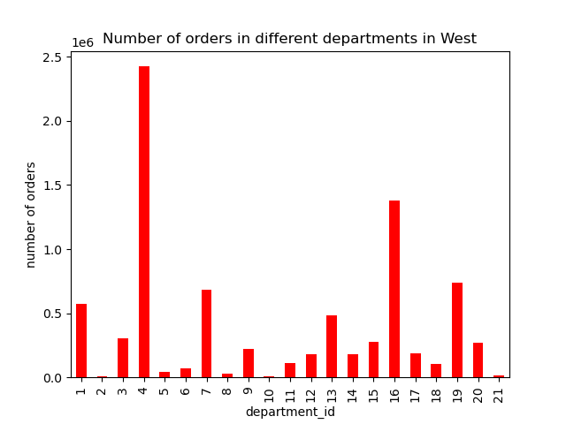
11
Chart 7, 8, 9, 10, 11: Regions do not affect the ordering trend of each department.
- The ordering trend of each department is the same for different regions.
- They are also the same as the ordering trend shown in question 4 chart 2.
Remark on department ID:
11 = personal care
12 = meat seafood
13 = pantry
14 = breakfast
15 = canned goods
16 = dairy eggs
17 = household
18 = babies
19 = snacks
20 = deli
21 = missing
1 = frozen
2 = other
3 = bakery
4 = produce
5 = alcohol
6 = international
7 = beverages
8 = pets
9 = dry goods pasta
10 = bulk

Question 5.4: Is there a connection between age and family status in terms of ordering habits?
This question will be answered using crosstabables instead of visualizations.
1
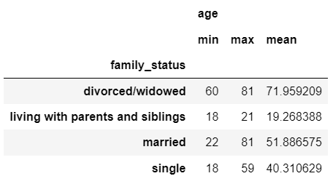
High spenders
2
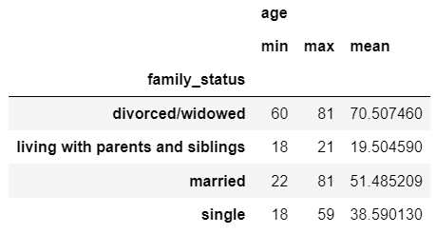
Low spenders
Crosstable 1, 2: The age and family status do not affect the spending of a customer.
- The statistics of age across family status are almost the same between high and low spenders.
Crosstable 3, 4, 5: The age and family status do not affect the order frequency of a customer.
- The statistics of age across family status are almost the same between frequent, regular and non-frequent customers.

3
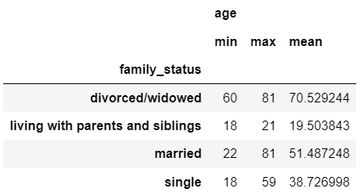
Frequent customers
4
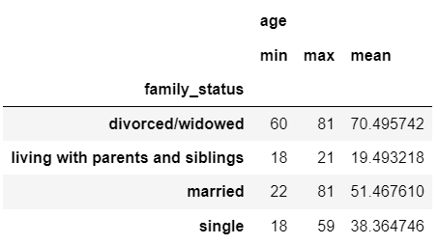
Regular customers
5
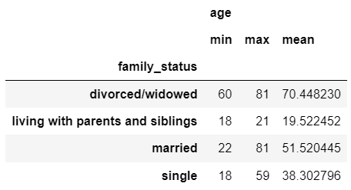
Non-frequent customers

Question 5.5: What different classifications does the demographic information suggest? Age? Income? Certain types of goods? Family status?
Refer to sheet 5 (column derivations) for the condition of customer profiles and income flag.
- Customer profiles: Single adult, Small family, Big family, Young parent, Senior citizen
- Income flags: High income, Medium income, Low income

2
3
Question 5.6: What differences can you find in ordering habits of different customer profiles?
(A) Customer profiles
1
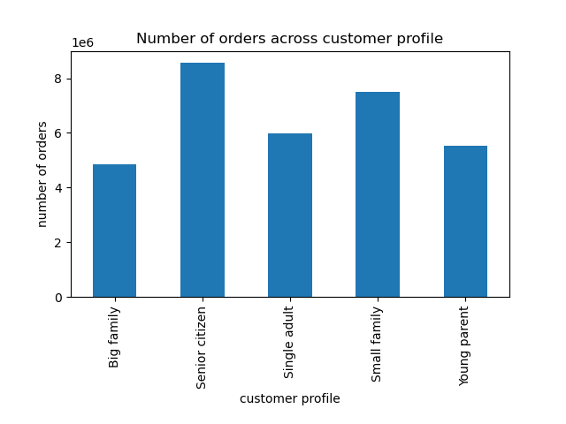
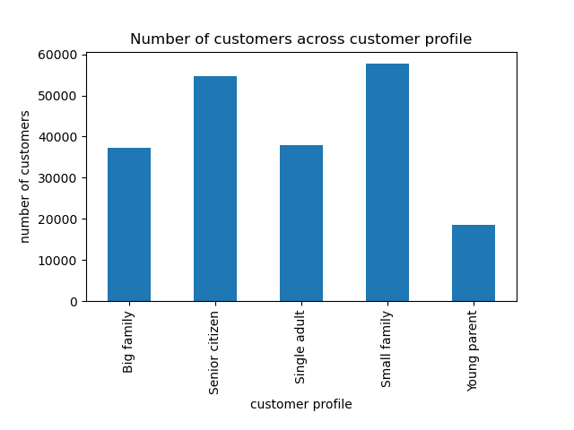
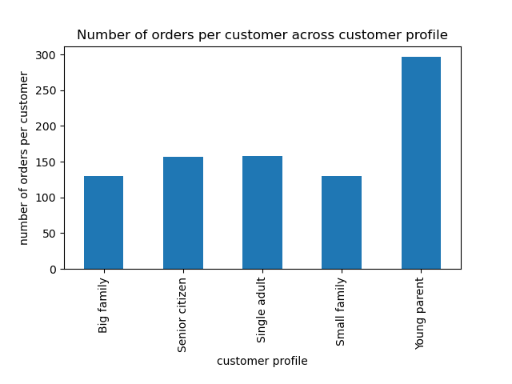
Chart 1: Senior citizens and small family customers contribute the most number of orders.
Chart 2: Most of the customers in the database are also senior citizens and small family customers.
Chart 3: However, the young parents bring the greatest value.
- A young parent orders about 2 times more than the rest on average.

4
5
6
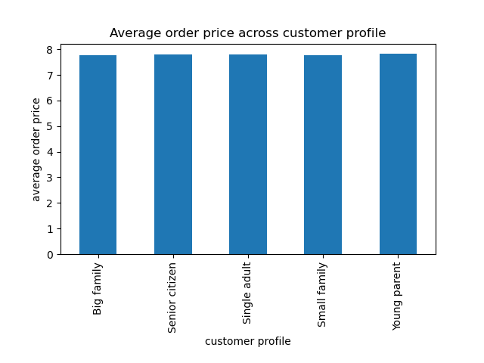
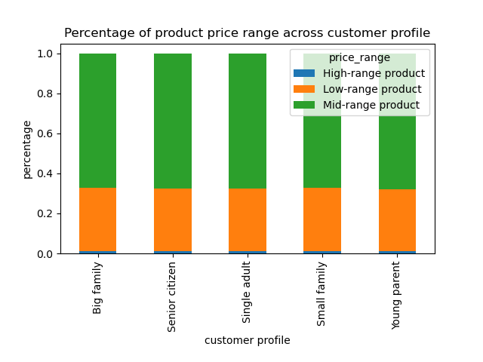
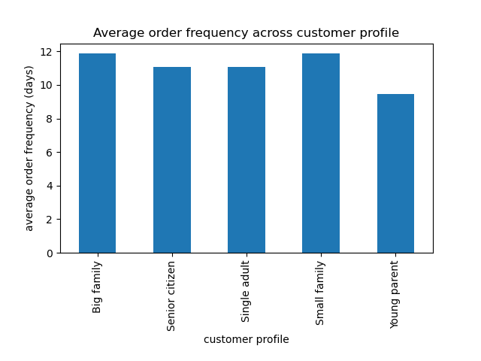
Chart 4: Customer profiles do not affect the amount of money spent on a product on average.
- There is no difference in the average price of product purchased across customer profiles.
Chart 5: Customer profiles do not affect the sales proportion of different product ranges.
- There is no difference in the sales proportions of different product ranges across customer profiles.
Chart 6: Young parents tend to order a bit more frequently.

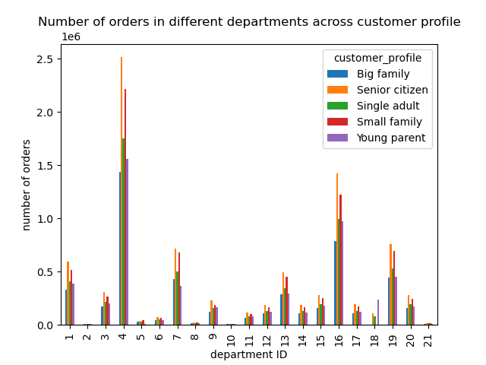
7
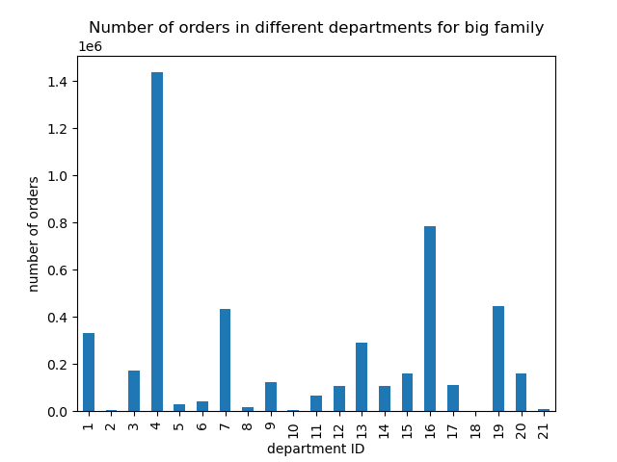
8

9
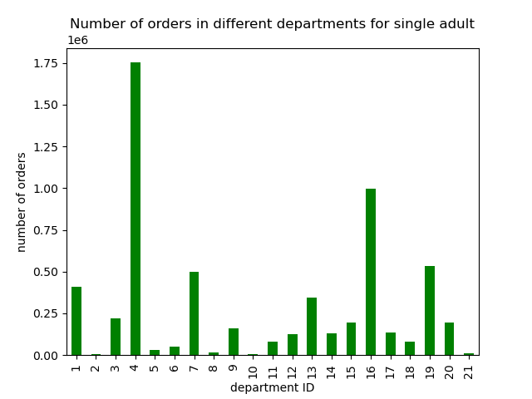
10

11
12


Chart 7, 8, 9, 10, 11, 12: Customer profiles do not affect the ordering trend of each department, except for babies department (ID 18).
- From chart 12, young parents order more in babies department compared to other profiles.
- But overall, the ordering trend in each profile is the same as question 4 chart 2.

Remark on department ID:
11 = personal care
12 = meat seafood
13 = pantry
14 = breakfast
15 = canned goods
16 = dairy eggs
17 = household
18 = babies
19 = snacks
20 = deli
21 = missing
1 = frozen
2 = other
3 = bakery
4 = produce
5 = alcohol
6 = international
7 = beverages
8 = pets
9 = dry goods pasta
10 = bulk

13
14
Chart 13, 14, 15, 16: Regions do not affect the ordering trend of each department for each customer profile.
- The ordering trend of each department for each profile is the same for different regions.
- They are also the same as ordering trend shown in question 4 chart 2.



15
16



(B) Income flags
1


2

3
Chart 1: Medium-income group contributes the most number of orders.
Chart 2: Most of the customers in the database are also from medium-income group.
Chart 3: However, both the medium- and high- income groups have the same value.
- A high-income or medium-income customer orders more than a low-income customer.

4
5

6
Chart 4: High-income and medium-income groups spend more money on a product on average.
- The high-income and medium-income groups spend $1 more on a product on average compared to low-income group.
Chart 5: Low-income group purchases more low-range products and lesser high-range products compared to other groups.
- There is no difference in the sales proportions of different product ranges for high-income and medium-income groups.
Chart 6: Low-income group orders slightly less frequent than the other two groups.



7
8



Chart 7, 8, 9, 10: Income does not affect the ordering trend of each department.
- The ordering trend of each department is the same for different income groups.
- They are also the same as the ordering trend shown in question 4 chart 2.

9


10

Remark on department ID:
11 = personal care
12 = meat seafood
13 = pantry
14 = breakfast
15 = canned goods
16 = dairy eggs
17 = household
18 = babies
19 = snacks
20 = deli
21 = missing
1 = frozen
2 = other
3 = bakery
4 = produce
5 = alcohol
6 = international
7 = beverages
8 = pets
9 = dry goods pasta
10 = bulk

11
12



Chart 11, 12, 13, 14: Regions do not affect the ordering trend of each department for each income group.
- The ordering trend of each department for each income group is the same for different regions.
- They are also the same as ordering trend shown in question 4 chart 2.

13
14

7. Recommendations
 |  |  | Title page

Recommendations

S/N | Question | Answer | Recommendation
1 | What are the busiest days of the week and hours of the day? | - Saturday and Sunday are the busiest days of a week. - 0900 to 1700 is the busiest period of a day. | Advertisement scheduling, system update or maintanence should be performed outside the mentioned period and days. Suggested time is from 1am to 5pm on weekdays. This is to prevent any system down issue and cause inconvenience to customers during the peak periods.
2 | Any particular times of the day when people spend the most money? | - Friday and Saturday are the days when customers purchase slightly more expensive products. Similarly, 0400 is the time when customers purchase slightly more expensive products. - However, the difference of average product price purchased between the peak times and valley times is only about 10 cents, which is not that significant. - The proportions of high-, mid-, and low-range products at every hour of day are about the same in everyday. | Since there is no specific times that show a significant difference in the product price ordered by customers, we should advertise different ranges of products consistently throughout all time periods to maximize product exposure and cater for varied customers' preferences.
3 | Simpler price range groupings | - 66% of the products belong to mid-range products, and they have the highest number of orders. - 33% of the products are low-range products, and they have about half of the orders of mid-range products. - Only 1% are high-range products, and their orders are minor compared to others. The high-range products solely come from meat & seafood department. | We should continue prioritizing our marketing and sales effort to promote mid-range products since they have the highest number of orders. For the high-range products, we can see that high spenders are more willingly to buy them compared to low spenders. However, the number of high spender is very low. Since most of the existing high spenders come from high and medium income groups, we should advertise more high-range products towards these income groups and give more limited-time offers to attract them buying the high-range products. Moreover, the high-range products could be expanded to other departments to provide customers more variety of choices.
4 | Which departments have the highest frequency of product orders? | - Produce department has the highest number of orders, followed by dairy & eggs department. - On the other end, bulk, pets, and alcohol departments have the lowest number or orders. | This is common as products from produce, dairy & eggs departments are the daily needs for everyone. On the other end, the products from bulk, pets, and alcohol departments only serve the purpose of certain target groups. Therefore, it is advisable to focus the marketing resources on the more popular and demanding departments.
5.1 | What’s the distribution among users in regards to their brand loyalty? | - Regular customers contributes the most number of orders. - Most of the customers in the database are new customers. - Loyal customers have the greatest potential as a loyal customer orders 3 times more than a regular customer, and 12 times more a new customer. | Since there are a lot of new customers but not spending much, Instacart should encourage them to purchase more by introducing rewarding system so that they could save more when spending more. Also, Instacart should expand the pool of loyal customers by introducing membership system that offers more exclusive deals to the loyal members. This could attract regular customers to join as members, and keep the loyal customers to continue spending on Instacart app.
5.2 | Are there differences in ordering habits based on a customer’s loyalty status? | - The are no differences in the average price of product purchased, sales proportion of different product ranges, and ordering trend across departments based on customer loyalty status. - However, loyal customers tends to order more frequently, followed by regular customers. | For loyal customers who order more frequently, we should identify the products they ordered repeatedly, and then send them the relevant suggestions and promotions. For new customers who do not order frequently, we could send them a daily notification about the daily hot deals to remind them to spend on Instacart app and promote impulse purchasing.
5.3 | Are there differences in ordering habits based on a customer’s region? | - The South region has the highest number of customers and orders. - All regions have the same potential in terms of orders per customer. - There are no differences in average price of product purchased, sales proportion of different product ranges, order frequency, and ordering trend across departments based on customer region. | Implement referral programs and provide discounts for first-time users in Midwest, Northeast, and West regions since the usage of the app in these areas is lower.
5.4 | Is there a connection between age and family status in terms of ordering habits? | - The age and family status do not affect the ordering habits in terms of spending type and order frequency. - The minimum, maximum and mean of age of different family status are about the same when compared to different customer types. | We can't identify the type of customer by just looking at the age and family status. More variables are needed to better categorize the customers.
5.5 | What different classifications does the demographic information suggest? Age? Income? Certain types of goods? Family status? | Refer to sheet 5 (column derivations) for the condition of customer profiles and income flag. - Customer profiles: Single adult, Small family, Big family, Young parent, Senior citizen - Income flags: High income, Medium income, Low income | Customer profiles and income flags are derived based on the demographic information of customers.
5.6 (a) | What differences can you find in ordering habits of different customer profiles? | - The two profiles that have the most customer and orders are senior citizens and small family customers. - However, young parents have better potential as a young parent orders about 2 times more than the rest. - There are no differences in average price of product purchased, sales proportion of different product ranges, and ordering trend across departments based on customer profiles. - Young parents tend to order slightly more frequently. | Young parents have the greatest value to Instacart as they have more orders per customer and higher order frequency. However the number of young parents is the lowest among the customer profiles. A collaboration with popular babies product brands could be made to provide more exclusive sales to young parents and attract more young parents to purchase via Instacart.
5.6 (b) | What differences can you find in ordering habits of different income groups? | - Medium-income group has the most number of customers and orders. - A medium-income or high-income customer orders more than a low-income customer. - Medium-income and high-income customers also tend to spend more on a product and order more frequently. - Low-income customers purchase more low-range products and lesser high-range products compared to others. - However, the ordering trend across departments is the same for these three income groups. | The product needs from each income group are the same given their similar department ordering trend. Medium-income and high-income groups are the main customer source of Instacart, but the market in low income group should be also explored. We should offer attractive promotions specifically for low-range products to incentivize low-income customers to make a purchase. More variety of affordable low-range products should be offered in every departments so that they would have a better option to purchase their daily needs.

